R5-R7 port protection
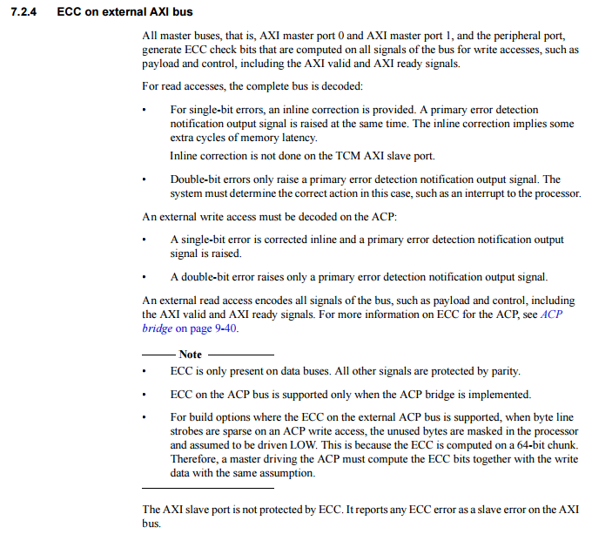
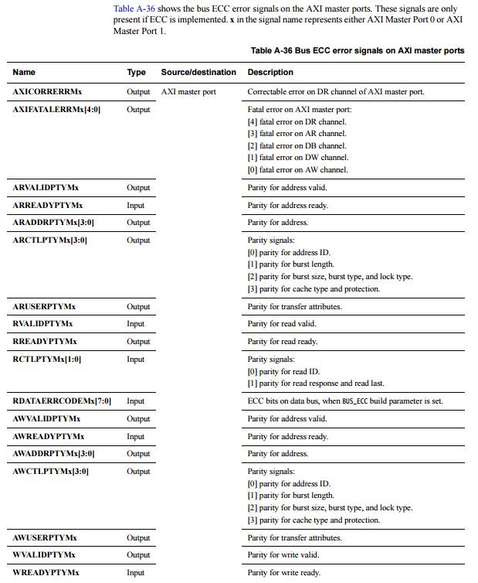
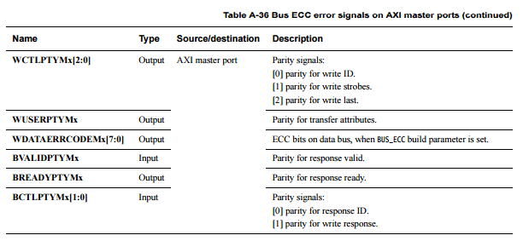
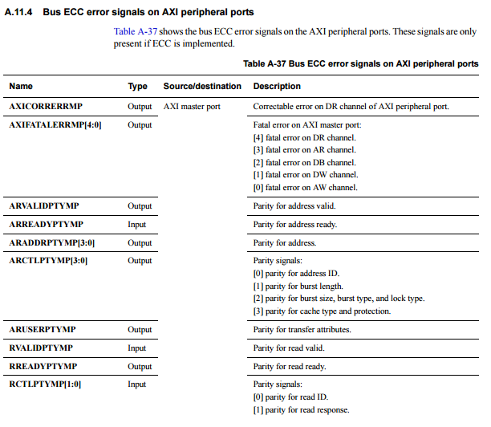
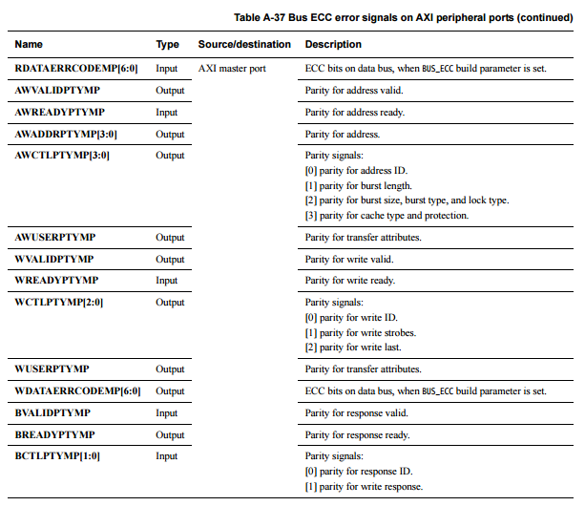
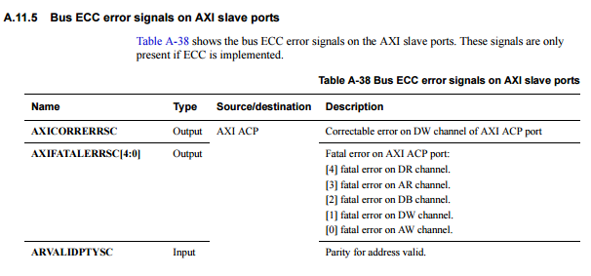
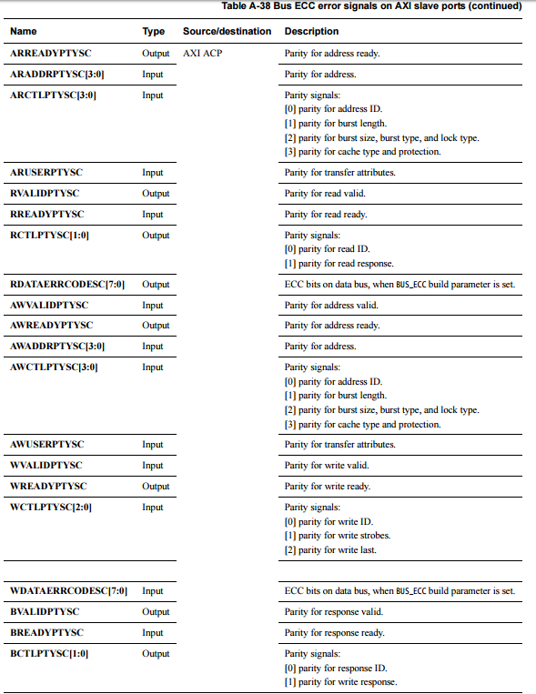
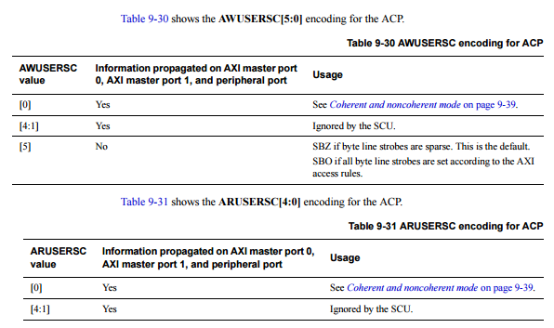
DDI0458C_cortex_r7_r0p1_trm.pdf (https://subversion.assembla.com/svn/netspeed_noc/doc/external_specs/DDI0458C_cortex_r7_r0p1_trm.pdf)
7.2.4 ECC on external AXI bus
9.7.4 AXI protocol configurability, xID and AxUSER
11.1.2 AXI3 USER bits

